Window styles
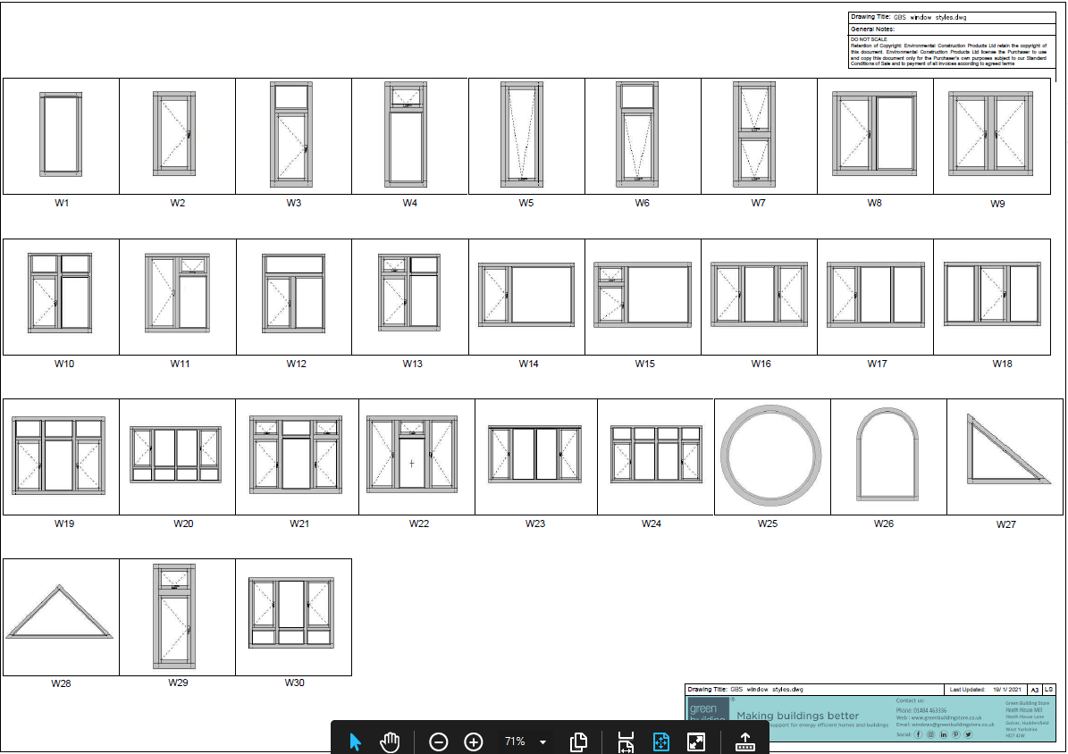

Please send quote requests or general enquiries to info@greenbuildingstore.co.uk

 | or call the windows office on 01484 463336

To return to quote builder please see excel tabs at bottom of spreadsheet

Door styles
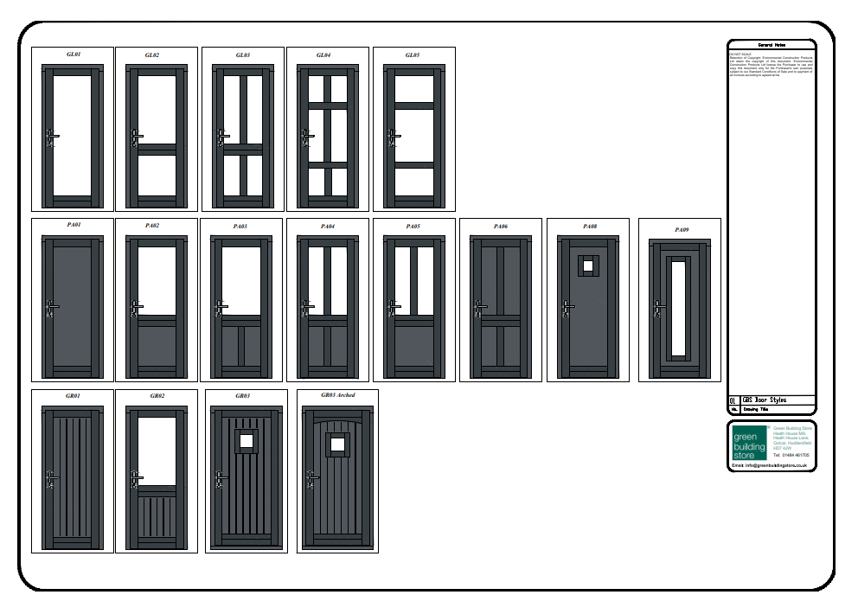

Please send quote requests or general enquiries to info@greenbuildingstore.co.uk

 | or call the windows office on 01484 463336

To return to quote builder please see excel tabs at bottom of spreadsheet

Aluminium Ext cill options
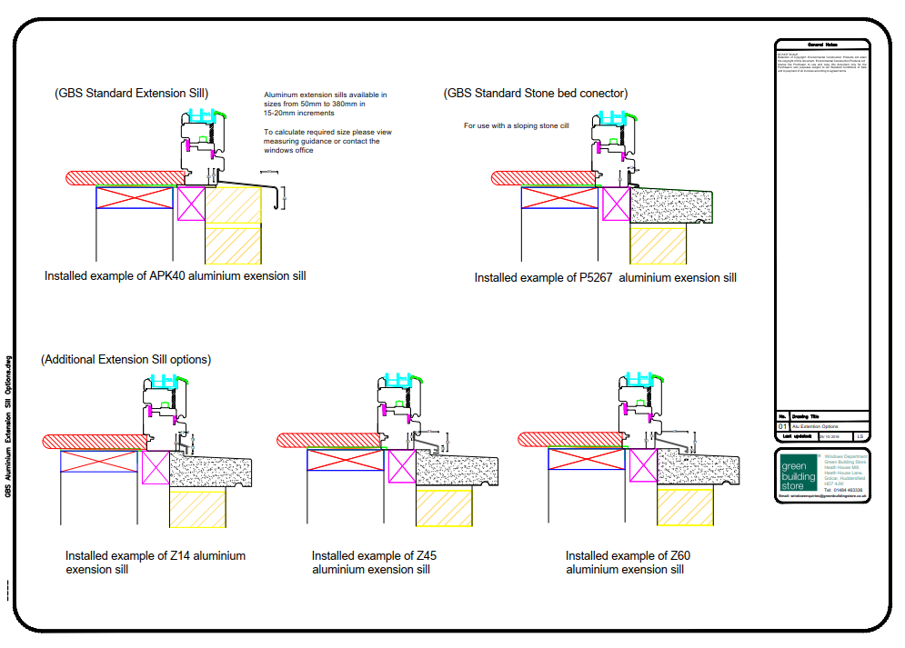

Please send quote requests or general enquiries to info@greenbuildingstore.co.uk

 | or call the windows office on 01484 463336

To return to quote builder please see excel tabs at bottom of spreadsheet

Timber Ext cill options
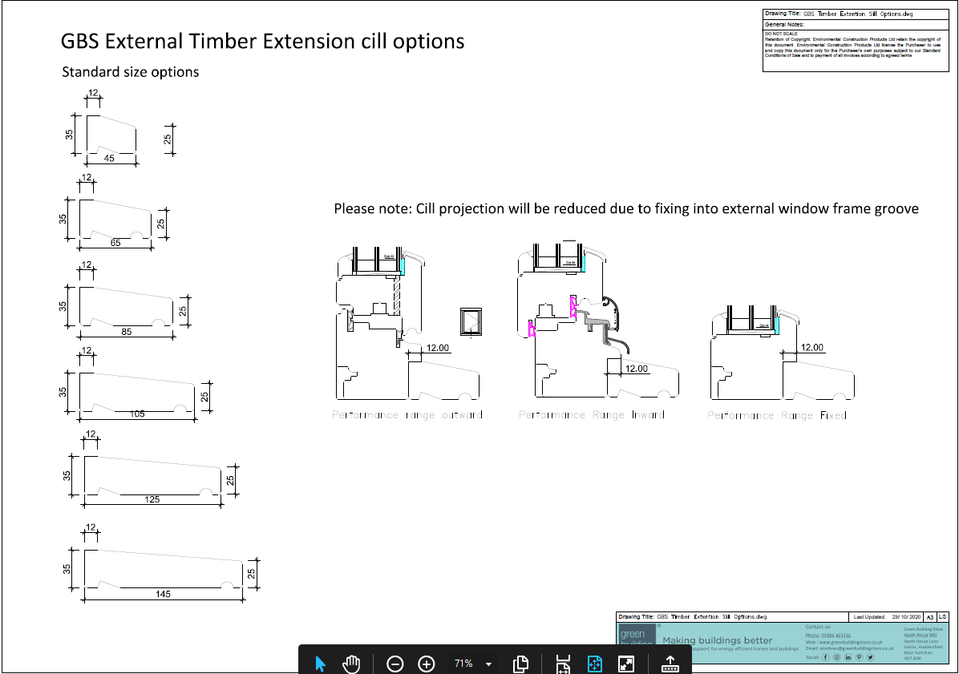

Please send quote requests or general enquiries to info@greenbuildingstore.co.uk

 | or call the windows office on 01484 463336

To return to quote builder please see excel tabs at bottom of spreadsheet

APK 40 cill measuring guide
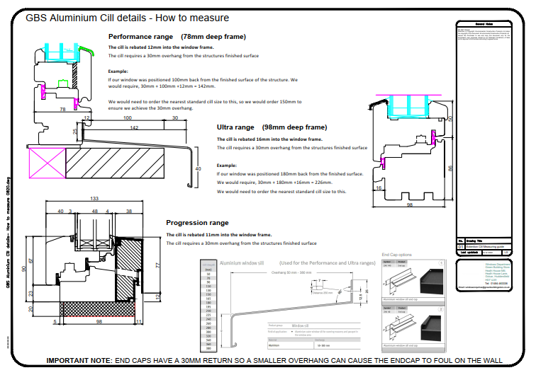

Please send quote requests or general enquiries to info@greenbuildingstore.co.uk

 | or call the windows office on 01484 463336

To return to quote builder please see excel tabs at bottom of spreadsheet

